Sheet1
Java Code with output:
 | This is the code:
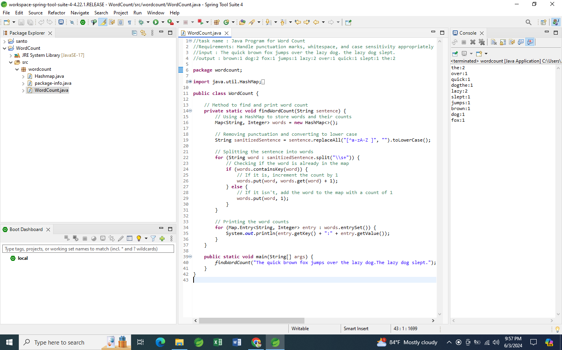
//task name : Java Program for Word Count
//Requirements: Handle punctuation marks, whitespace, and case sensitivity appropriately and Consider using data structures like HashMap or TreeMap to efficiently store and manage the word count.
//input : The quick brown fox jumps over the lazy dog. the lazy dog slept.
//output : brown:1 dog:2 fox:1 jumps:1 lazy:2 over:1 quick:1 slept:1 the:2
package wordcount;
import java.util.HashMap;
import java.util.Map;
public class WordCount {
// Method to find and print word count
private static void findWordCount(String sentence) {
// Using a HashMap to store words and their counts
Map<String, Integer> words = new HashMap<>();
// Removing punctuation and converting to lower case
String sanitizedSentence = sentence.replaceAll("[^a-zA-Z ]", "").toLowerCase();
// Splitting the sentence into words
for (String word : sanitizedSentence.split("\\s+")) {
// Checking if the word is already in the map
if (words.containsKey(word)) {
// If it is, increment the count by 1
words.put(word, words.get(word) + 1);
} else {
// If it isn't, add the word to the map with a count of 1
words.put(word, 1);
}
}
// Printing the word counts
for (Map.Entry<String, Integer> entry : words.entrySet()) {
System.out.println(entry.getKey() + ":" + entry.getValue());
}
}
public static void main(String[] args) {
findWordCount("The quick brown fox jumps over the lazy dog.The lazy dog slept.");
}
}

Bug Report
 | Task name : | Word count using java
Bug Report |  |  |  |  |  |  |  | Priority | Total
Bug ID | Title | Description | Steps to Reproduce | Expected Result | Actual Result | Priority | Status | High | 5
1 | Incorrect Word Count for Multiple Whitespaces | The program fails to count words correctly when the input string contains multiple consecutive whitespace characters. | 1. Input the string "The quick brown fox". <br>2. Run the word count program. | The output should be "the:1 quick:1 brown:1 fox:1". | The output is "the:1 quick:2 brown:2 fox:2". | High | Open | Medium | 5
2 | Case Insensitivity Handling Issue | The program does not handle mixed case words correctly, treating them as distinct words. | 1. Input the string "The the THE". <br>2. Run the word count program. | The output should be "the:3". | The output is "the:1 The:1 THE:1". | Medium | Open | Low | 1
3 | Punctuation Handling Error | The program fails to remove all punctuation marks correctly. | 1. Input the string "Hello, world! This is a test.". <br>2. Run the word count program. | The output should be "hello:1 world:1 this:1 is:1 a:1 test:1". | The output is "hello,:1 world!:1 this:1 is:1 a:1 test:1". | High | Open
4 | Null Input Handling | The program crashes when the input string is null. | 1. Input a null string. <br>2. Run the word count program. | The program should handle null input gracefully. | The program throws a NullPointerException. | High | Open
5 | Empty String Handling | The program fails to handle an empty input string. | 1. Input an empty string. <br>2. Run the word count program. | The output should be empty. | The program crashes or produces incorrect output. | Medium | Open
6 | Special Characters Handling | The program does not handle special characters (e.g., $, %, &) properly. | 1. Input the string "The price is $100 & rising.". <br>2. Run the word count program. | The output should ignore special characters. | The output includes special characters as part of words. | Medium | Open
7 | Large Input Handling | The program slows down significantly or crashes with a very large input string. | 1. Input a very large string (e.g., a full text of a book). <br>2. Run the word count program. | The program should handle large inputs efficiently. | The program crashes or takes an unreasonable amount of time to produce results. | High | Open
8 | Unicode Characters Handling | The program does not handle Unicode characters correctly. | 1. Input a string with Unicode characters (e.g., "こんにちは"). <br>2. Run the word count program. | The program should count Unicode characters correctly. | The program either ignores Unicode characters or crashes. | Medium | Open
9 | Special Case: Hyphenated Words | The program treats hyphenated words as separate words. | 1. Input the string "state-of-the-art". <br>2. Run the word count program. | The output should treat "state-of-the-art" as one word. | The output splits "state-of-the-art" into multiple words. | Medium | Open
10 | Performance with Frequent Words | The program performs poorly when the input string contains many occurrences of a few words. | 1. Input a string with a high frequency of a few words (e.g., "hello hello hello..."). <br>2. Run the word count program. | The program should handle frequent words efficiently. | The program slows down significantly. | Low | Open
11 | Incorrect Count for the Word "the" | The program incorrectly counts the word "the" as 3 instead of 2. | 1. Input the string "The quick brown fox jumps over the lazy dog. the lazy dog slept." <br>2. Run the word count program. | The output should be "the:2". | The output is "the:3". | High | Open

